工作表1
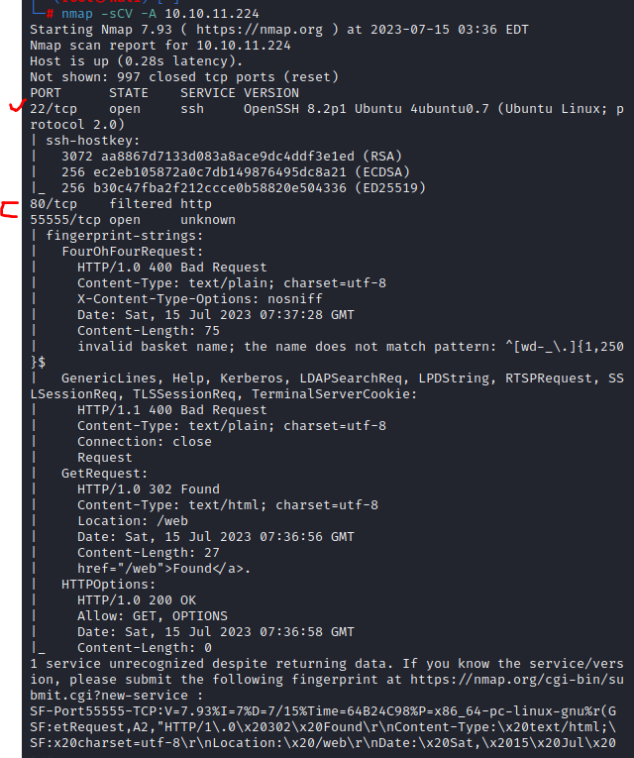

 | 網站上找到SSRF 漏洞 |  |  | https://github.com/entr0pie/CVE-2023-27163

創建一個域名，轉local
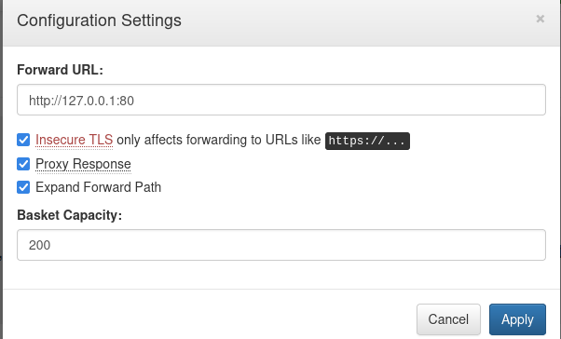

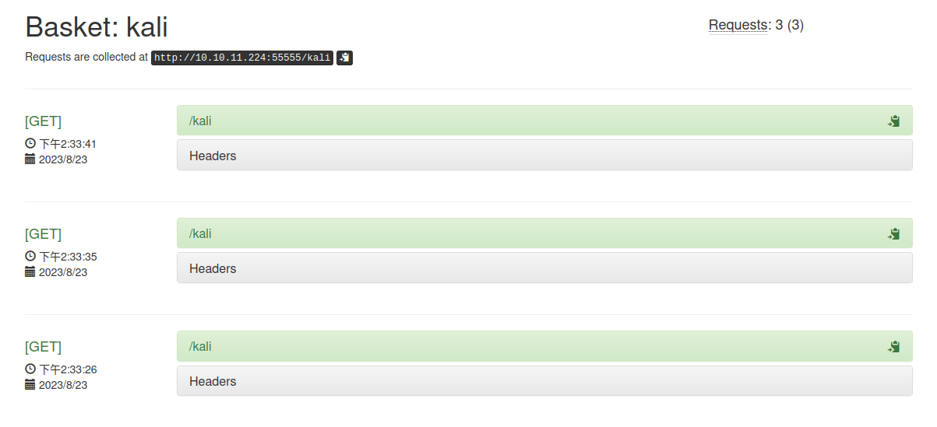

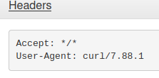

mailTrails exploit |  | 參考 | https://huntr.dev/bounties/be3c5204-fbd9-448d-b97c-96a8d2941e87/
 |  | 漏洞 | https://github.com/SethJGibson/Hummingbird-Maltrail-RCE-PoC/blob/main/hummingbird.py

 | 取得user.txt

 | 提權 | https://gtfobins.github.io/gtfobins/systemctl/

